Q1
BASIC
QUERY 1 | Delete duplicate data
PROBLEM STATEMENT | From the given CARS table, delete the records where car details are duplicated

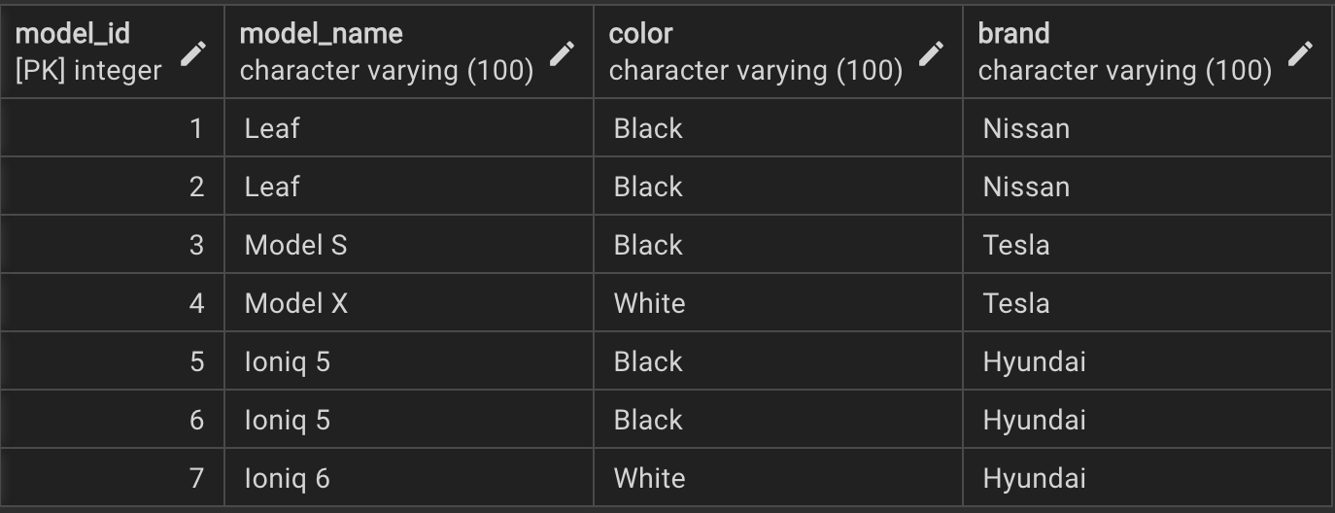
GIVEN DATA:

 |  | proc sort data=one out=two nodup;
 |  | by _all_;
 |  | run;

EXPECTED OUTPUT:

Q2
BASIC
QUERY 2 | Display highest and lowest salary
PROBLEM STATEMENT | From the given employee table, display the highest and lowest salary corresponding to each department. Return the result corresponding to each employee record

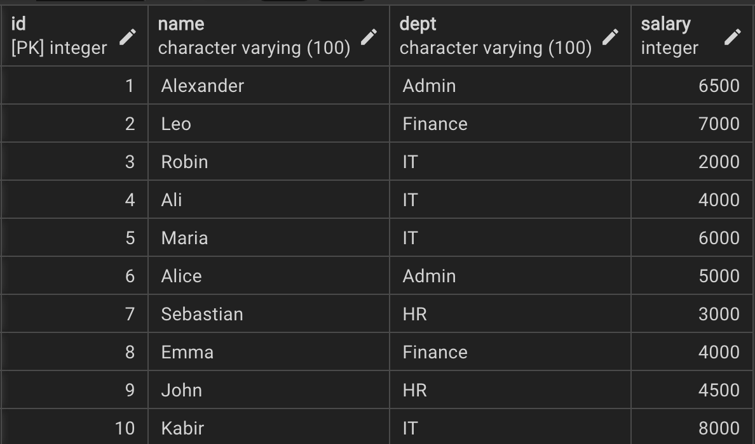
GIVEN DATA:

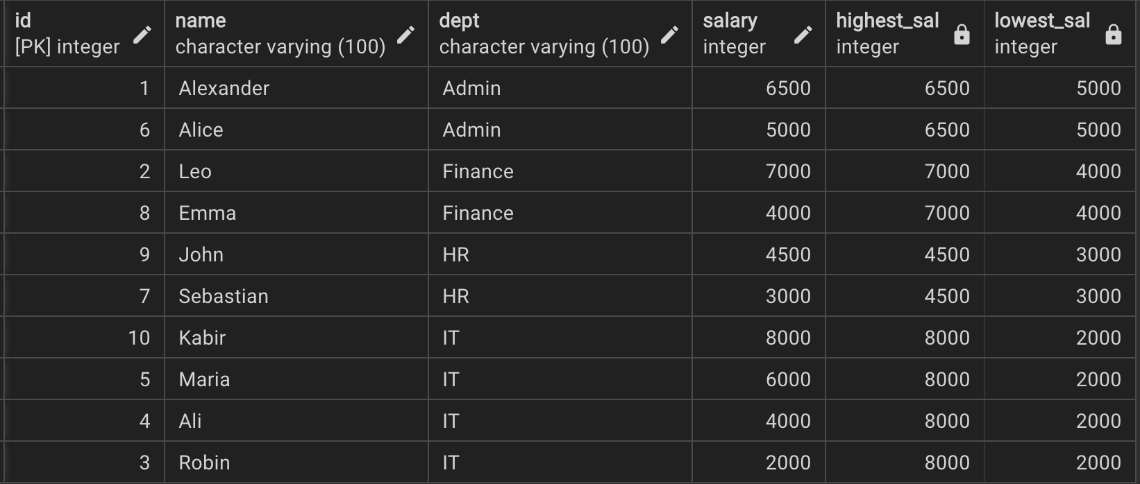
EXPECTED OUTPUT:

Q3
BASIC
QUERY 3 | Find actual distance
PROBLEM STATEMENT | From the given cars_travel table, find the actual distance travelled by each car corresponding to each day

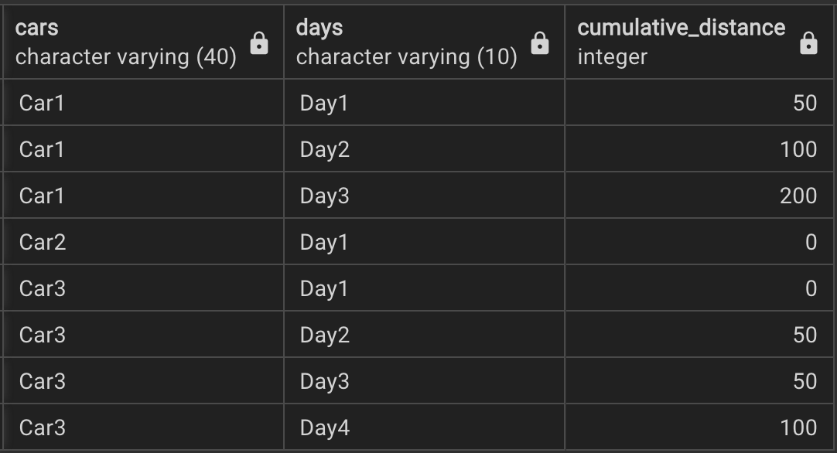
GIVEN DATA:

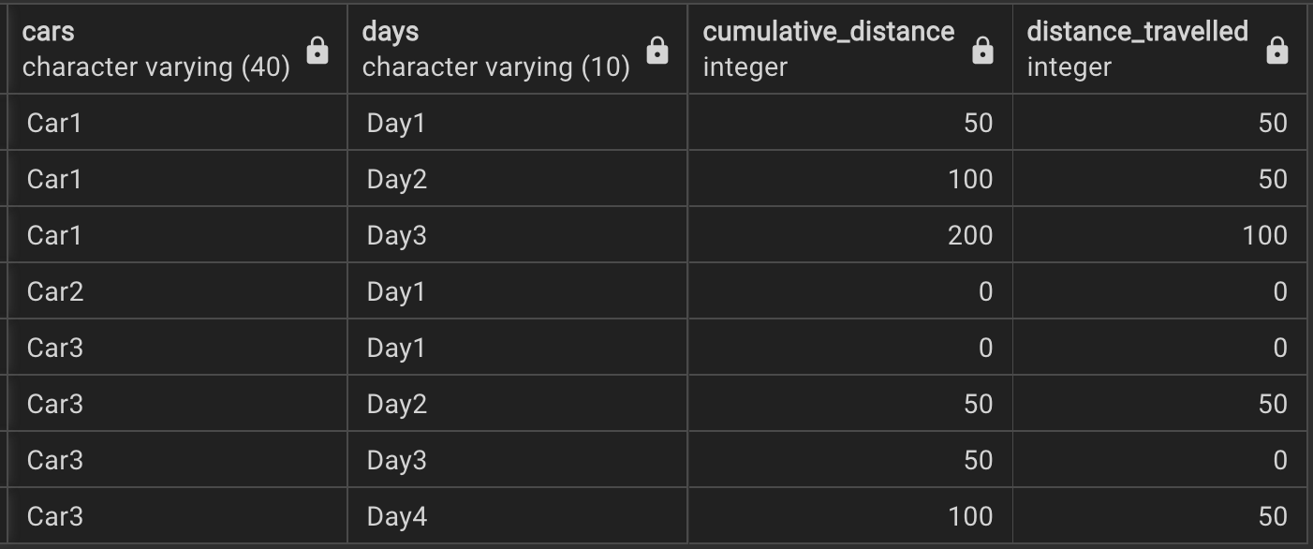
EXPECTED OUTPUT:

Q4
INTERMEDIATE
QUERY 4 | Input to Output
PROBLEM STATEMENT | Write a SQL query to convert the given input into the expected output as shown below

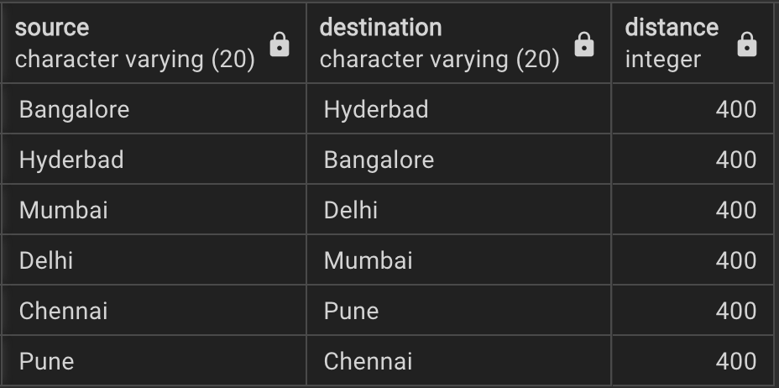
GIVEN DATA:

EXPECTED OUTPUT:

Q5
COMPLEX
QUERY 5 | Ungroup the given input data
PROBLEM STATEMENT | Ungroup the given input data. Display the result as per expected output

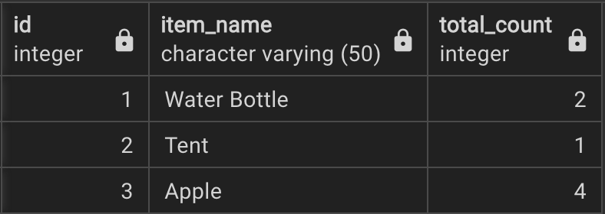
GIVEN DATA:

 |  | data one;
 |  | set two;
 |  | do i=1 to total_count;
 |  | output;
 |  | end;
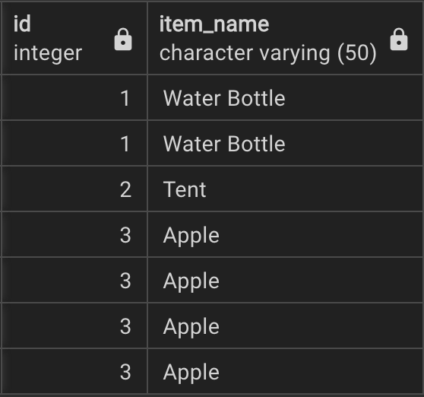
 |  | drop I total_count;
EXPECTED OUTPUT: |  | run;

Q12
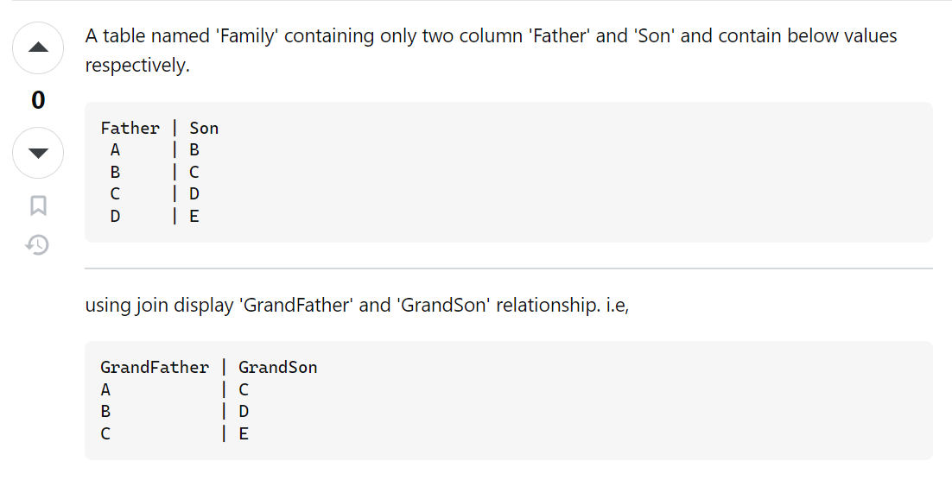

Q11
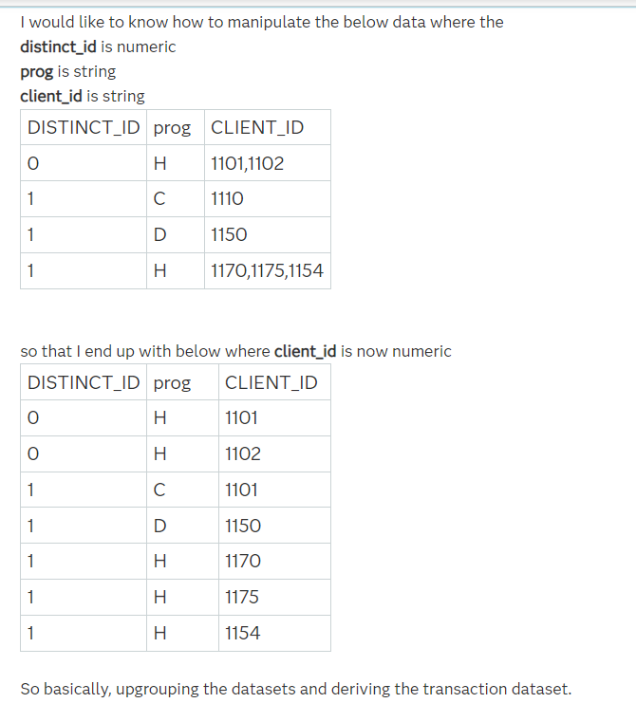

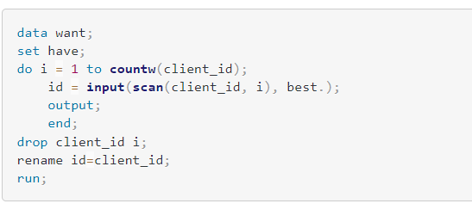

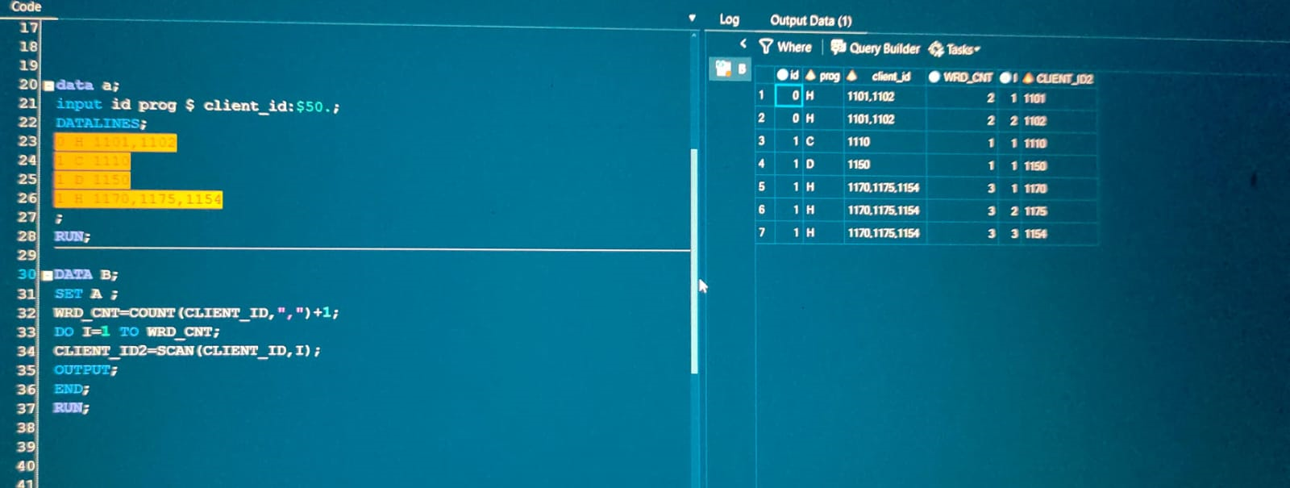

Q6
INTERMEDIATE
QUERY 6 | Derive IPL macthes
PROBLEM STATEMENT | There are 10 IPL team.
 | 1) Write an sql query such that each team play with every other team just once.
 | 2) Write an sql query such that each team play with every other team twice.

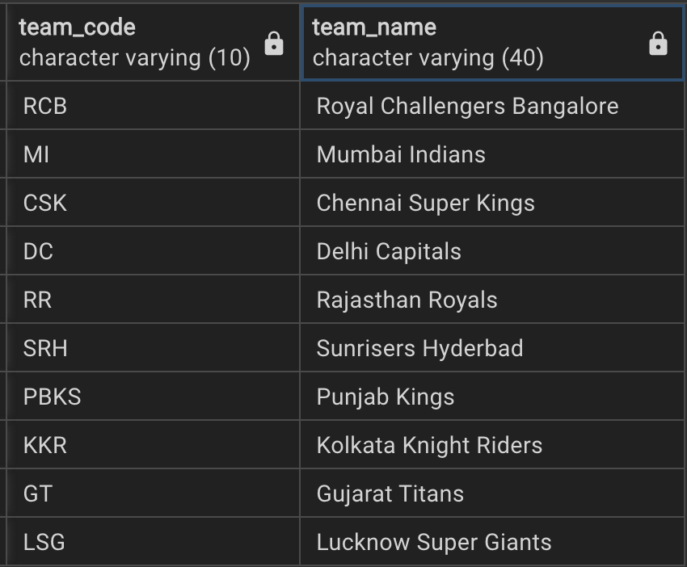
GIVEN DATA:

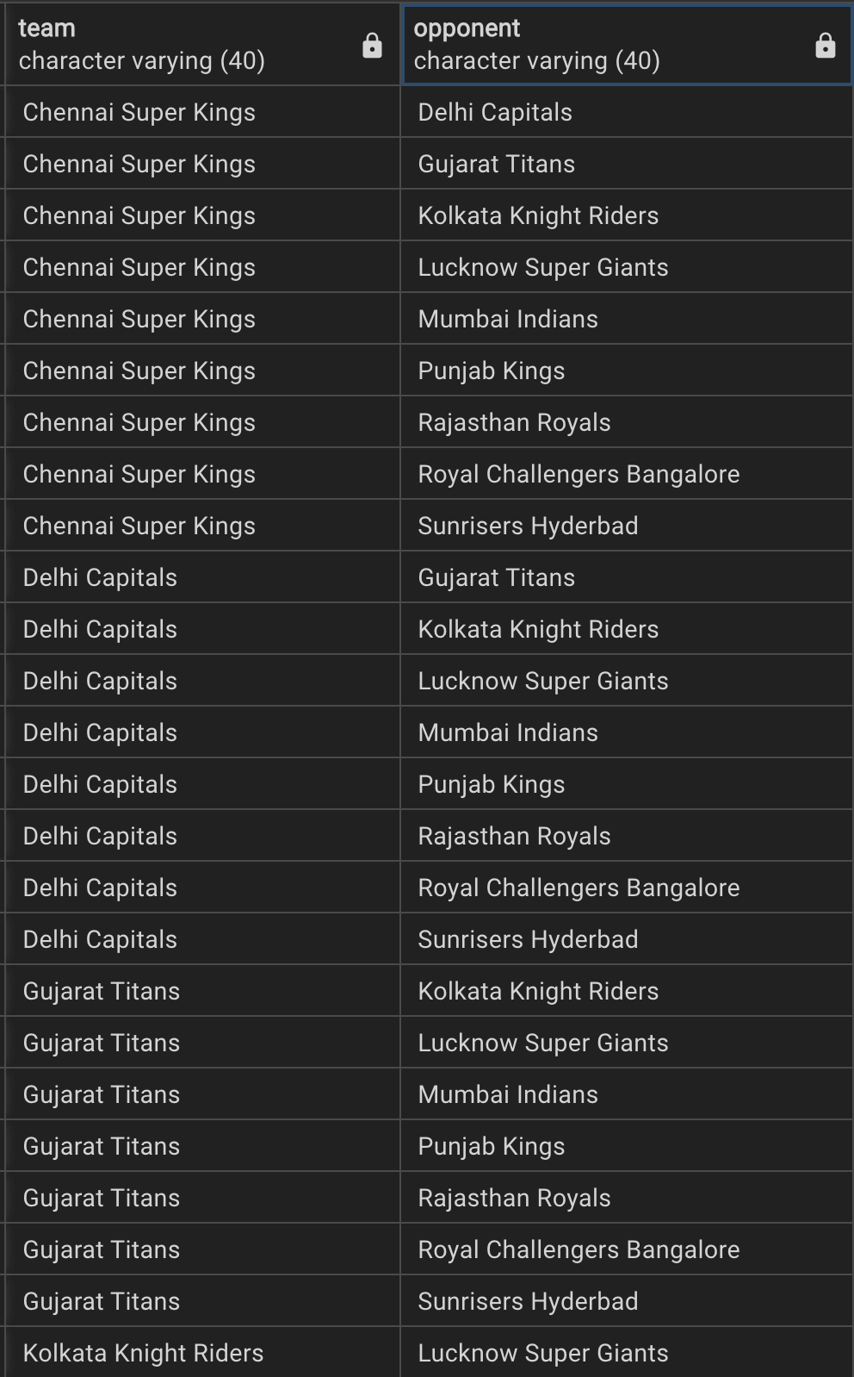
EXPECTED OUTPUT: |  | Each team plays with every other team JUST ONCE.

 | *** Not all rows are shown. There are totally 45 rows.

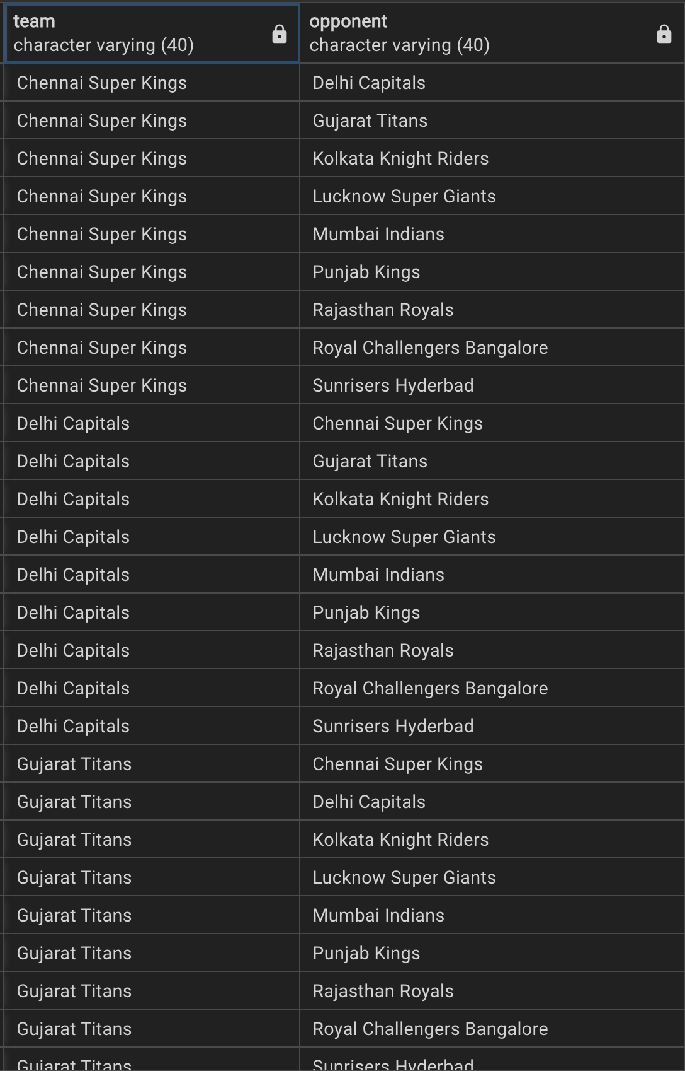
 |  | Each team plays with every other team TWICE.

 | *** Not all rows are shown. There are totally 90 rows.

Q7
INTERMEDIATE
QUERY 7 | Derive the output
PROBLEM STATEMENT | write a query to fetch the results into a desired format.

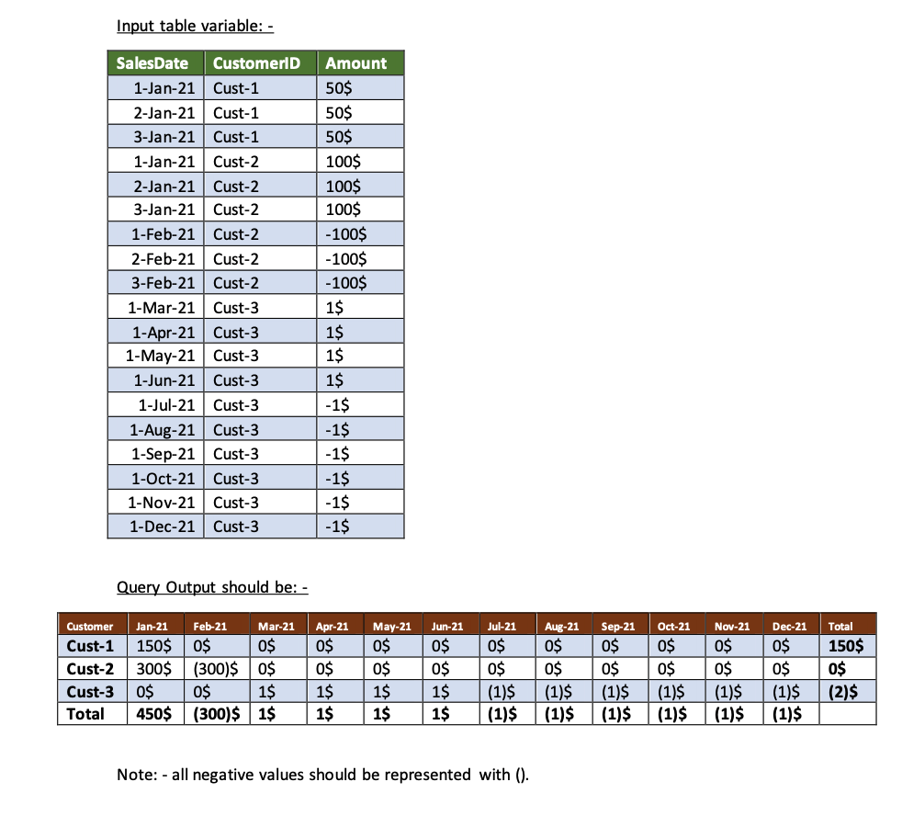
GIVEN DATA:

EXPECTED OUTPUT:

Q8
COMPLEX
QUERY 8 | Find the hierarchy
PROBLEM STATEMENT | Find the hierarchy of employees under a given manager "Asha".

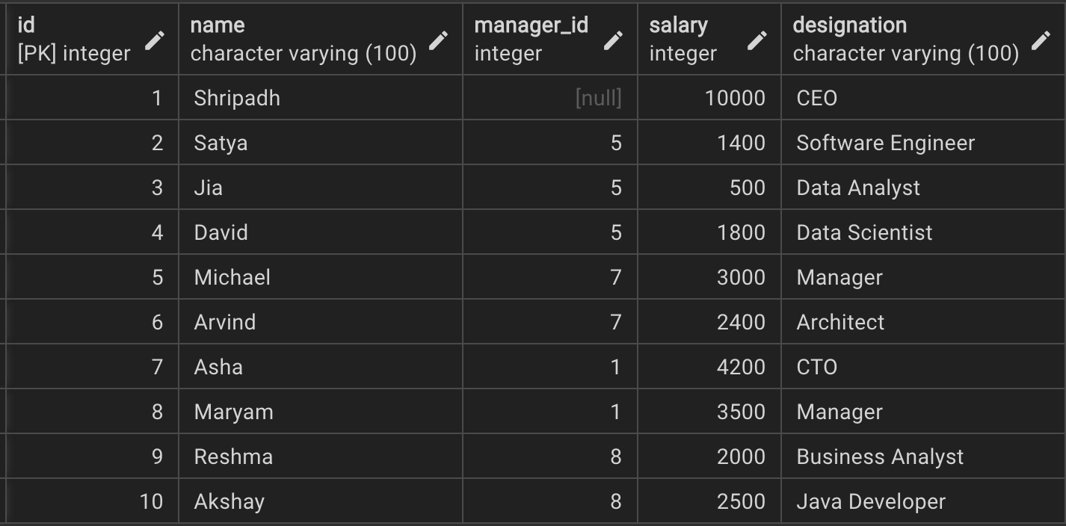
GIVEN DATA:

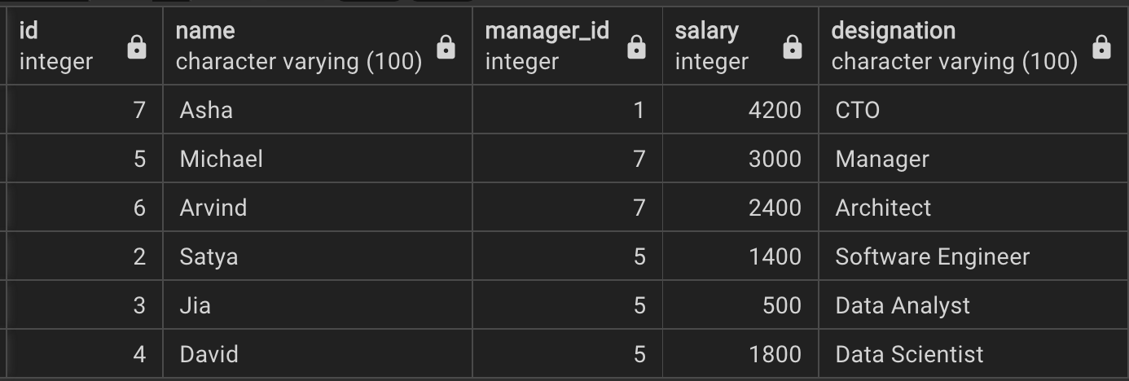
EXPECTED OUTPUT:

Q9
INTERMEDIATE
QUERY 9 | Find difference in average sales
PROBLEM STATEMENT | Write a query to find the difference in average sales for each month of 2003 and 2004

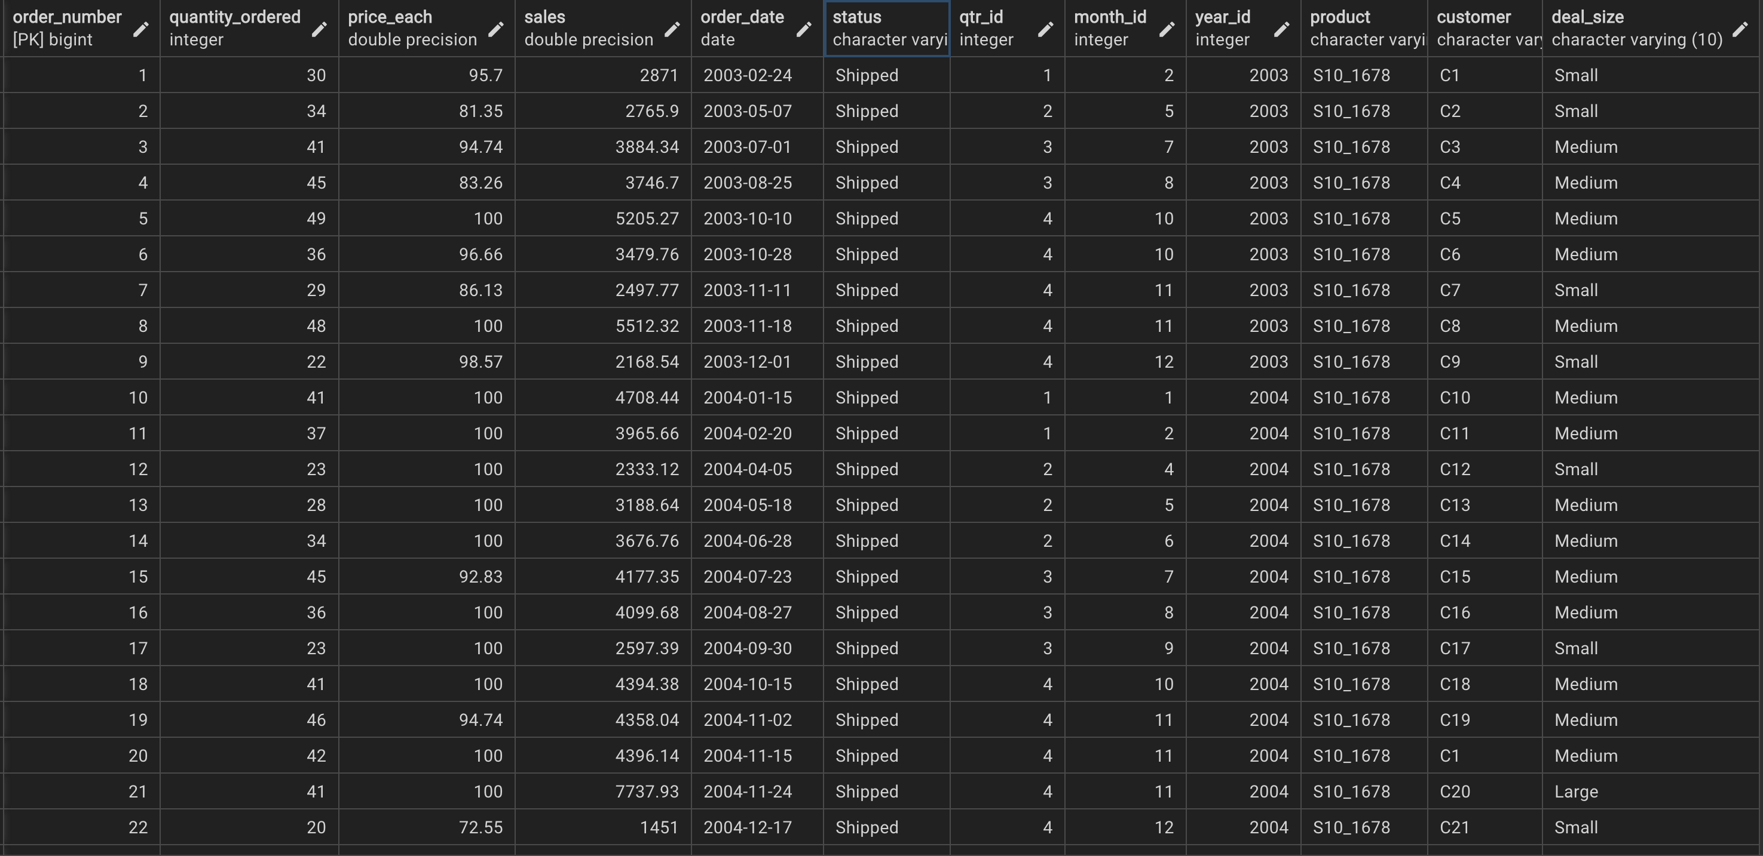
GIVEN DATA:

 | *** Only sample data is shown. There are in total 2823 rows.

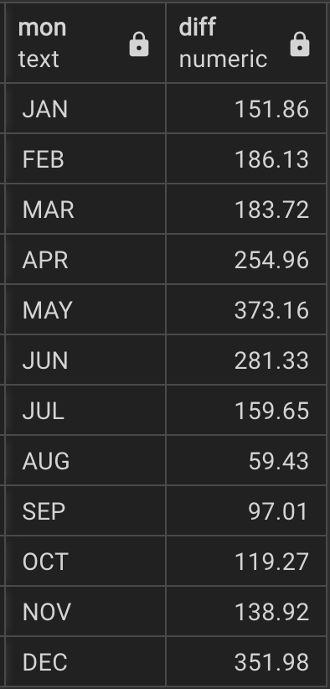
EXPECTED OUTPUT:

Q10
INTERMEDIATE
QUERY 10 | Pizza Delivery Status
PROBLEM STATEMENT | A pizza company is taking orders from customers, and each pizza ordered is added to their database as a separate order.
 | Each order has an associated status, "CREATED or SUBMITTED or DELIVERED'.
 | An order's Final_ Status is calculated based on status as follows:
 |  | 1. When all orders for a customer have a status of DELIVERED, that customer's order has a Final_Status of COMPLETED.
 |  | 2. If a customer has some orders that are not DELIVERED and some orders that are DELIVERED, the Final_ Status is IN PROGRESS.
 |  | 3. If all of a customer's orders are SUBMITTED, the Final_Status is AWAITING PROGRESS.
 |  | 4. Otherwise, the Final Status is AWAITING SUBMISSION.

 | Write a query to report the customer_name and Final_Status of each customer's arder. Order the results by customer
 | name.

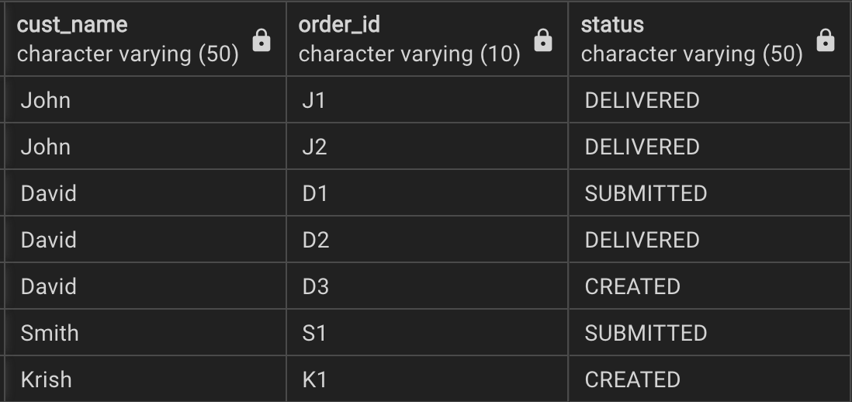
GIVEN DATA:

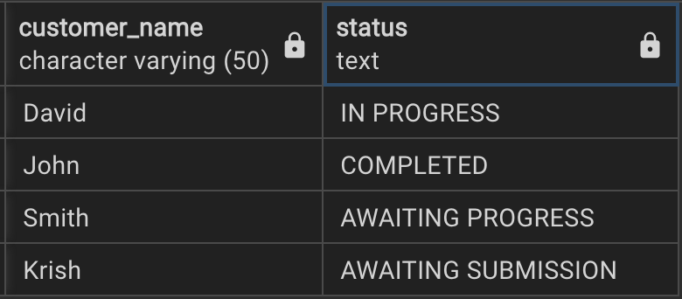
EXPECTED OUTPUT:

